HRV
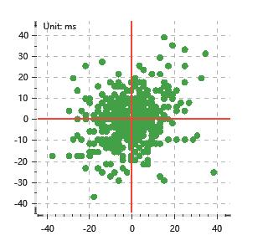
Data Info
 | Recording | 正式实验2
 | Subject | 赵殿飞
 | Create Time | 2023-11-13 15:55:50.698
 | Data Name | Chest1 ECG
 | Data Type | ECG
 | Sample Rate | 512
 | Segment | 前静息态
 | Start Time | 0:01:32
 | End Time | 0:06:32
 | Duration | 0:05:00

Replay Chart
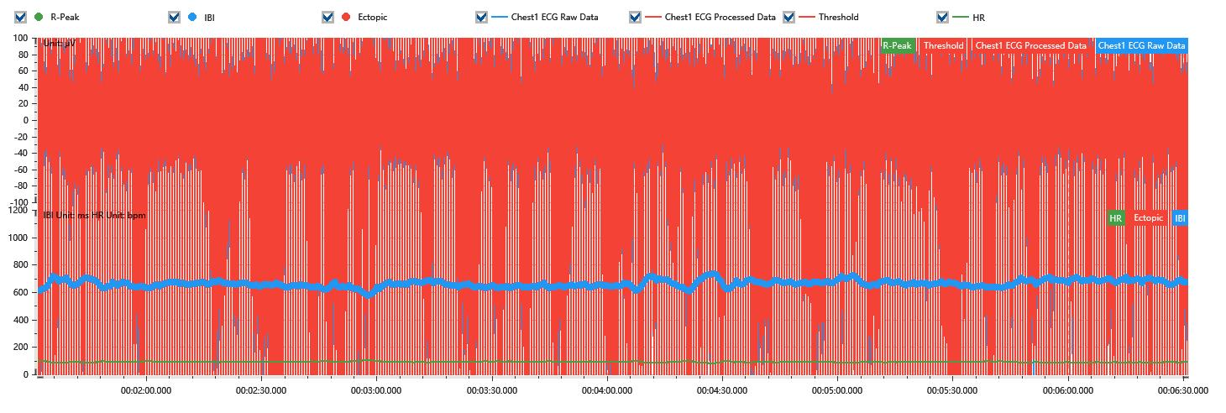

Process parameters
 | Filters
 | Wavlet filter | Enabled | 中
 | Amplitude normalization | Disabled | 中
 | High Pass filter | Enabled | 1μV
 | Band Stop filter | Enabled | 50μV
 | Low Pass filter | Enabled | 100μV
 | Interbeat Interval
 | R-Peak extraction | Maximum heart rate | 120bpm
 | R-Peak extraction | Threshold | 70%
 | Extopic detection | Percent | Disabled | 20%
 | Extopic detection | Median | Enabled | 4(samples)
 | Extopic correction | 中值 | 5(samples)

Time Domain
 | MeanIBI | MeanHR | SDNN | SDANN | RMSSD | SDSD | PNN50 | PNN20 | Data Length
 | 658.37ms | 91bpm | 24.4ms | 0ms | 11.07ms | 11.09ms | 0% | 7.28% | 454

Frequency Domain
 | Band | Range | Power | Power Percent | Power Normalized | Peak | Data Length
 | ULF | 0 - 0.0033Hz | 20.6ms² | 3.95% | 0 | 0Hz | 4
 | VLF | 0.0033 - 0.04Hz | 205.04ms² | 39.37% | 0 | 0Hz | 37
 | LF | 0.04 - 0.15Hz | 240.1ms² | 46.1% | 0.81 | 0.04Hz | 113
 | HF | 0.15 - 0.4Hz | 55.03ms² | 10.57% | 0.19 | 0.15Hz | 256

 | Total Power | 520.76ms² | LF/HF | 4.36 | VLF/ULF | 0.1
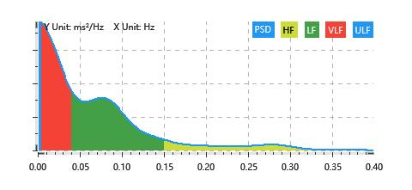

Nonlinear
 | Poincare | SD1 | 7.84ms | SD2 | 33.6ms
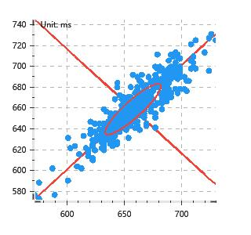

 | Scatter | A++ | 124 | B-- | 98

